Sheet1

PIONEER SERVICES



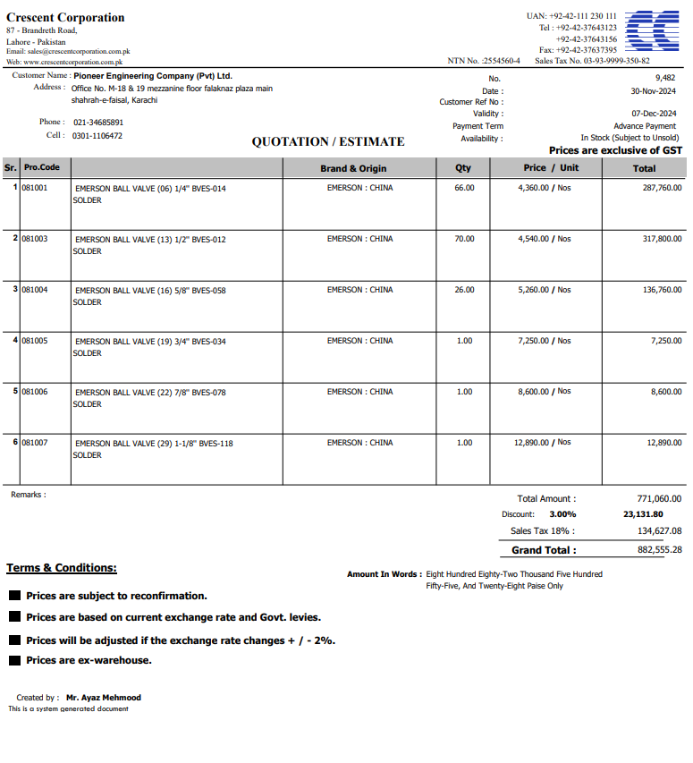

M/S Crescent corporation |  |  |  |  | 2-Dec-24

PO # 13488

Att: Mr. Atif Munawwar

PURCHASE ORDER

Supply of Valves for the project NICVD
S No. | D e s c r i p t i o n | Qty | Unit | Rate | Amount
 | Brand: EMERSON : CHINA |  |  |  |  | 575,000
1 | EMERSON BALL VALVE (06) 1/4'' BVES-014 Solder | 66 | Nos | 4,360 | 287,760
2 | EMERSON BALL VALVE (13) 1/2'' BVES-012 Solder | 70 | Nos | 4,540 | 317,800
3 | EMERSON BALL VALVE (16) 5/8'' BVES-058 Solder | 26 | Nos | 5,260 | 136,760
4 | EMERSON BALL VALVE (19) 3/4'' BVES-034 Solder | 1 | Nos | 7,250 | 7,250
5 | EMERSON BALL VALVE (22) 7/8'' BVES-078 Solder | 1 | Nos | 8,600 | 8,600
6 | EMERSON BALL VALVE (29) 1-1/8'' BVES-118 Solder | 1 | Nos | 12,890 | 12,890
 |  | TOTAL: |  |  | 771,060
Discount 5% |  |  |  |  | 38,553
Total amount |  |  |  |  | 732,507
Sales Tax 18% |  |  |  |  | 131,851
Total amount |  |  |  |  | 864,358

Note: This PO is subject to the consultant's approval.

for IK Associates

